payment_info
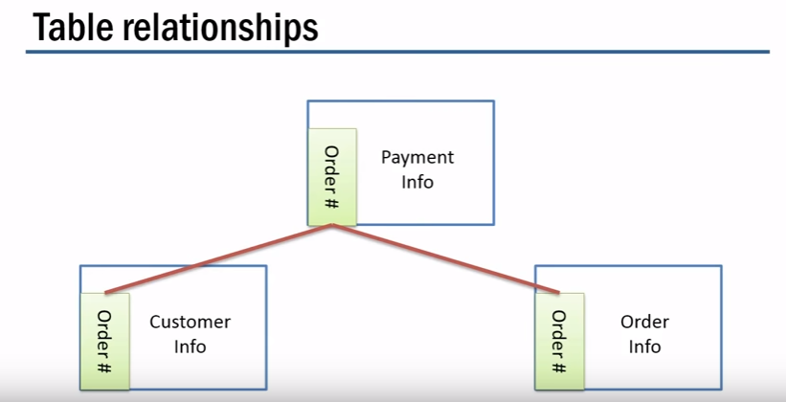
Order | sale | method | status
101 | 4944 | Online | available
102 | 4312 | CASH | NA
103 | 7178 | PO | available
104 | 3847 | APP | available
105 | 8439 | Online | available
106 | 6234 | Online | available
107 | 6748 | Online | available
108 | 4971 | Online | available
109 | 6876 | Online | available
110 | 8060 | CASH | NA
111 | 8469 | CASH | NA
112 | 3828 | CASH | NA
113 | 4631 | CASH | NA
114 | 7401 | APP | available


115 | 8502 | APP | available
116 | 8932 | APP | available
117 | 7919 | APP | available
118 | 7889 | Online | available
119 | 3566 | Online | available
120 | 5382 | Online | available
121 | 7376 | Online | NA
122 | 7020 | Online | NA

